Sheet1
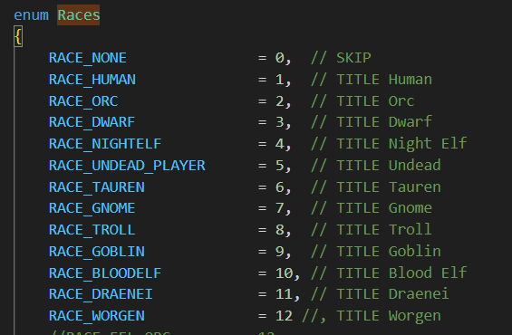
RACE | ENUM | INCLUDE? | MASK
HUMAN | 1 | x | 1
ORC | 2 | x | 2
DWARF | 3 | x | 4
NIGHTELF | 4 | x | 8
UNDEAD | 5 | x | 16
TAUREN | 6 | x | 32
GNOME | 7 | x | 64
TROLL | 8 | x | 128
GOBLIN | 9 | x | 256
BLOODELF | 10 | x | 512
DRAENEI | 11 | x | 1024
WORGEN | 12 | x | 2048
MASK |  |  | 4095

Sheet2
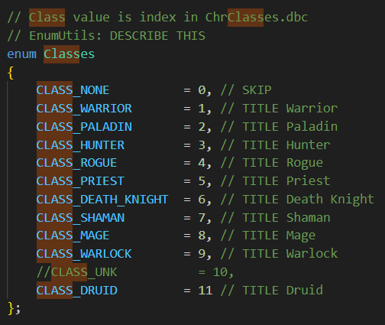
ENUM
MASK
Weapons | Skill ID | Mask
Axes | 44 | 103
Bows | 45 | 13
Crossbows | 226 | 13
Daggers | 173 | 1501
Fist Weapons | 473 | 1101
Guns | 46 | 13
Maces | 54 | 1147
Polearms | 229 | 39
Shield | 433 | 67
Staves | 136 | 1493
Swords | 43 | 431
Thrown | 176 | 9
Two-Handed Axes | 172 | 103
Two-Handed Maces | 160 | 1123
Two-Handed Swords | 55 | 39
Unarmed | 162 | 1535
Wands | 228 | 400

